Creative Commissions (<£500)
Creative Commissions Fund (up to £500) grant application budget

Please complete the budget below, including a written description of funding and costs in the supplied narrative columns. It must include all income and expenditure for your project and show a balanced outcome. If your budget does not show a balanced outcome your application will be deemed ineligible and we will be unable to assess your application.
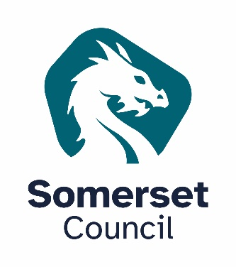

 | Project Income | Amount (£) | Confirmed (Y/N) | Narrative i.e. list of funders, potential dates for funding confirmation, etc.
 | FUNDING REQUESTED FROM SOMERSET COUNCIL (up to £10,000) | £0
 | Somerset Council: other | £0
 | Other Local Authorities | £0
 | Arts Council England (ACE) | £0
 | National Lottery Heritage Fund | £0
 | Other public funding | £0
 | Trusts and Foundations | £0
 | Donations and Sponsorship | £0
 | Earned Income (e.g. ticket sales) | £0
 | Crowd Funding (e.g. Kickstarter) | £0
 | In-kind Support (cash value) | £0
 | Other | £0
 | Total match funding (excluding Somerset Council and in-kind) | £0 | PLEASE NOTE: If the submitted application is successful it will be a condition of funding to provide evidence from other funders.
 | Total income (including Somerset Council and in-kind) | £0

 | Project Expenditure | Amount (£) | How will the grant be spent? | Narrative i.e. staffing, marketing, support costs, equipment type, etc.
 | Staff Costs | £0 | £0
 | Artistic Costs | £0 | £0
 | Project management costs | £0 | £0
 | Marketing & Promotion | £0 | £0
 | Materials costs | £0 | £0
 | Equipment Hire costs | £0 | £0
 | Venue Hire costs | £0 | £0
 | Core Operational costs | £0 | £0
 | Access costs | £0 | £0
 | Other costs | £0 | £0
 | Total Expenditure | £0 | £0 | Please use the above column to describe what the money specificied in the Creative Commissions Fund breakdown is used for.
 | Income minus expenditure | £0 | D36 should match grant request.

